ISIR Checklist
NOTE: Data entered in these yellow boxes is automatically entered into all other pages in this workbook.
Initial Sample Inspection Report (ISIR)
Front Sheet

CUSTOMER: |  | MAHLE Powertrain Ltd. | PART NUMBER & REVISION LEVEL:
SUPPLIER/VENDOR CODE: |  |  | PART NAME:
INSPECTION FACILITY: |  |  | SUPPLIER BATCH NUMBER:
DATE OF INSPECTION: |  |  | WORKS/PURCHASE ORDER NUMBER:

 | One ISIR is required per manufactured batch

 |  | Documents included:
 |  | Please tick, cross or N/A each item

 |  |  | Dimensional Report | Note: All drawing dimensions should be measured unless agreed otherwise with an MPT representative.
 |  |  | o Marked-up drawing
 |  |  | o Measurements
 |  |  | o Compliance with drawing notes
 |  |  | o Deviations | Deviation No:
 |  |  | o Other

 |  |  | Material Report/Test Results | Note: If you have a material report from the laboratory this can be submitted instead of completing this section of the ISIR form as long as all relevant information is included.
 |  |  | o Material Certification (e.g. mill certification)
 |  |  | o Treatment certification
 |  |  | o Finish certification (e.g. paint, plating)
 |  |  | o Other

 |  |  | Performance Test Results | Note: If you have a performance report from the laboratory this can be submitted instead of completing this section of the ISIR form as long as all relevant information is included.
 |  |  | o Pressure test results
 |  |  | o Cleanliness results
 |  |  | o Functional Test Results
 |  |  | o Balancing Test Results
 |  |  | o Other

 |  |  | ISIR Results
 |  |  | Do the results meet all drawing and specification requirements? (please circle) | YES/NO

 |  |  | IF NO: Please state the name of the MPT representative who has agreed to accept the parts.

 | SUPPLIER CONTACT:
 | Print Name: |  |  | Signature:
 | Position: |  |  | Date:

Dimensional Test
Initial Sample Inspection Report (ISIR)
Dimensional Test Results
 |  |  | NOTE: Grey boxes are automatically completed
CUSTOMER: |  | MAHLE Powertrain Ltd. |  |  | PART NUMBER & REVISION LEVEL: |  |  |  | 0
SUPPLIER / VENDOR CODE: |  | 0 |  |  | PART NAME: |  |  |  | 0
INSPECTION FACILITY: |  | 0 |  |  | SUPPLIER BATCH NUMBER: |  |  |  | 0
DATE OF INSPECTION: |  | 0 |  |  | WORKS/PURCHASE ORDER NUMBER: |  |  |  | 0
FEATURE NUMBER | FEATURE | DIMENSION / SPECIFICATION |  |  | SUPPLIER MEASUREMENT RESULTS (DATA) NOTE: ENSURE PHYSICAL PARTS ARE LABELLED WITH THE NUMBERS BELOW.
 |  | NOMINAL | TOL. LIMITS |  | PARTS 1-10
 |  |  | LL | UL | 1 | 2 | 3 | 4 | 5 | 6 | 7 | 8 | 9 | 10
1 | EXAMPLE 1 | 1.000 | 0.500 | 1.500 | 1.000 | 1.300 | 1.600 | 1.500 | 0.889 | 0.456 | 1.000 | 0.888 | 0.999 | 1.555
2 | EXAMPLE 2 | Correct part marking | N/A | N/A | OK | OK | OK | OK | OK | OK | OK | OK | OK | NOK

Colours will change automatically to red for NOK results and green for OK results based on tolerances entered. Any red results should be reported to your MAHLE representative prior to shipment.

 |  |  |  |  | Blanket statements of conformance are unacceptable for any test results.

Example - Marked Up Drawing
Example of a marked up drawing cross referenced to the ISIR Measurement Report
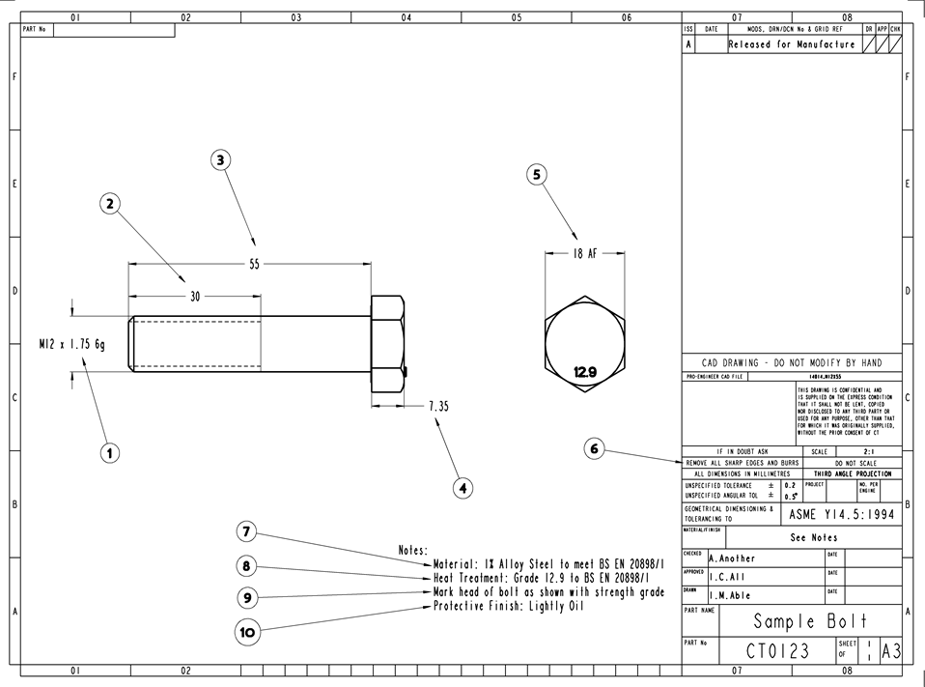

Bubble Print or marked up drawing (gestempelte Zeichnung) to be supplied seperately.

